Cover Page
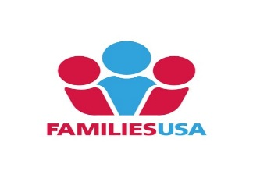

Community Health Worker Impact Estimator

CHW Model: Pediatric Asthma Intervention

(Enter Project Title Here)

(Enter State Here)

(Enter Year Here)

(Enter Organization Name Here)

 | This tool was created with funding from The Kresge Foundation,
 | based on a model originally developed with funding from the Connecticut Health Foundation. The caseload calculator tool is based on one developed on behalf of the Hispanic Health Council's CHIRP II Project, funded by the Connecticut Health Foundation.

Note: These estimates are projections only. Actual results may differ.

